Power Pivot Setup
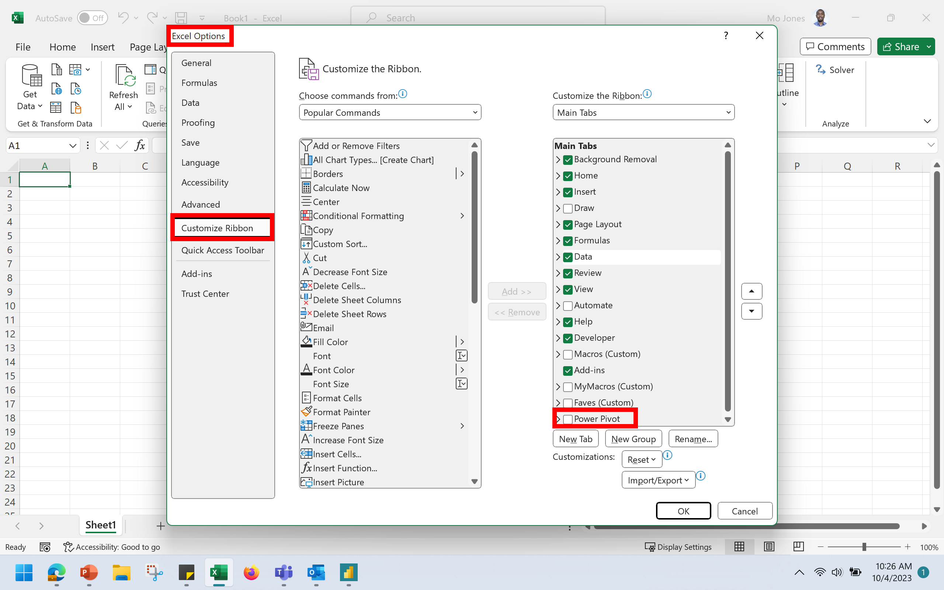

Sheet2
'SALE' by 'STATE'
STATE | Sum of SALE
CO | $7,502
KY | $3,686
NE | $7,564
OR | $8,272
TX | $6,046
WA | $6,191
WY | $5,512
Grand Total | $44,773

